Sheet1
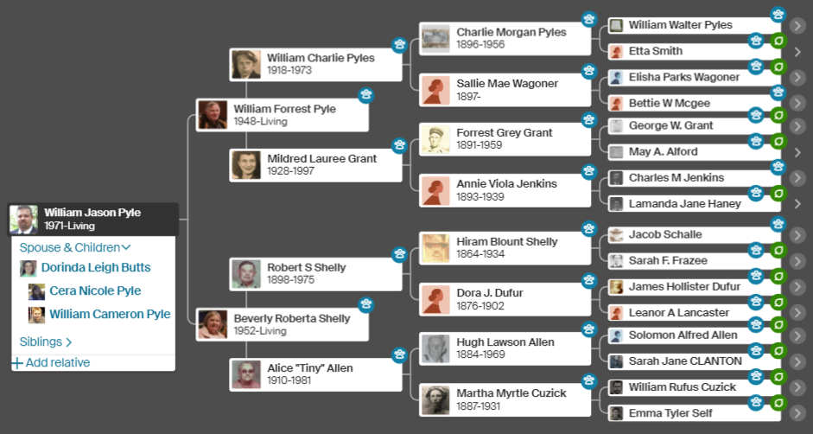
 |  |  |  |  |  |  |  |  |  |  |  |  |  |  |  |  |  |  |  | 0 | 1 | 1 | 2 | 3
 |  |  |  |  |  |  |  | Self | Parents | GrandParents | Great GrandParents |  |  |  |  |  |  |  | 1 |  |  |  |  | x
 |  |  |  |  |  |  | GENERATION | 0 | 1 | 2 | 3 | 4 | 5 | 6 | 7 | 8 | 9 | 10 | 2 |  |  |  | x
 |  |  |  |  |  |  |  | 1 | 3 | 7 | 15 | 31 | 63 | 127 | 255 | 511 | 1023 | 2047 | 3 |  |  |  |  | x
 |  |  |  |  |  |  |  | 1 | 2 | 4 | 8 | 16 | 32 | 64 | 128 | 256 | 512 | 1024 | 4 |  |  | x
 |  |  |  |  |  |  |  |  |  |  |  |  |  |  |  |  |  |  | 5 |  |  |  |  | x
 |  |  |  |  |  |  |  |  |  |  |  |  |  |  |  |  |  |  | 6 |  |  |  | x
 |  |  |  |  |  |  |  | 1 |  |  | Ends With | 1 | st |  | People At G(eneration) |  |  |  | 7 |  |  |  |  | x
 |  |  |  |  |  |  |  | 2 | 2nd |  |  | 2 | nd |  | 2^g | where 0 is self |  |  | 8 |  | x
 |  |  |  |  |  |  |  | 3 | 3rd |  |  | 3 | rd |  |  |  |  |  | 9 |  |  |  |  | x
 |  |  |  |  |  |  |  |  | 4th |  |  | else | th |  | Total People from 0-G(eneration) |  |  |  | 10 |  |  |  | x
 |  |  |  |  |  |  |  |  | 5th |  |  |  |  |  | (2^(g+1))-1 |  |  |  | 11 |  |  |  |  | x
 |  |  |  |  |  |  |  |  | 6th |  | Target is 0 | 0 | self |  |  |  |  |  | 12 |  |  | x
 |  |  |  |  |  |  |  |  | 7th |  |  | 1 | parents |  | Father | Paternal |  |  | 13 |  |  |  |  | x
 |  |  |  |  |  |  |  |  | 8th |  |  | 2 | grand parents |  | Mother | Maternal |  |  | 14 |  |  |  | x
 |  |  |  |  |  |  |  |  | 9th |  |  | 3 | great grand parents |  |  |  |  |  | 15 |  |  |  |  | x
 |  |  |  |  |  |  |  |  | 10th |  |  | else | g-2 grand parents |  |  |  |  |  | 16 | x
 | 0 | 1 | 2 | 3 |  |  |  |  |  |  |  |  |  |  |  |  |  |  | 17 |  |  |  |  | x
 |  |  |  |  | G | 0 |  |  |  |  |  |  |  |  |  |  |  |  | 18 |  |  |  | x
1 |  |  |  | x | P | 1 |  |  |  |  |  |  |  |  |  |  |  |  | 19 |  |  |  |  | x
2 |  |  | x |  |  |  |  |  |  |  |  |  |  |  |  |  |  |  | 20 |  |  | x
3 |  |  |  | x | DG | 3 |  |  |  |  |  |  |  |  |  |  |  |  | 21 |  |  |  |  | x
4 |  | x |  |  |  |  |  |  |  |  |  |  |  |  |  |  |  |  | 22 |  |  |  | x
5 |  |  |  | x |  |  |  |  |  |  |  |  |  |  |  |  |  |  | 23 |  |  |  |  | x
6 |  |  | x |  |  |  |  |  |  |  |  |  |  |  |  |  |  |  | 24 |  | x
7 |  |  |  | x |  |  |  |  |  |  |  |  |  |  |  |  |  |  | 25 |  |  |  |  | x
8 | x |  |  |  |  |  |  |  |  |  |  |  |  |  |  |  |  |  | 26 |  |  |  | x
9 |  |  |  | x |  |  |  |  |  |  |  |  |  |  |  |  |  |  | 27 |  |  |  |  | x
10 |  |  | x |  |  |  |  |  |  |  |  |  |  |  |  |  |  |  | 28 |  |  | x
11 |  |  |  | x |  |  |  |  |  |  |  |  |  |  |  |  |  |  | 29 |  |  |  |  | x
12 |  | x |  |  |  |  |  |  |  |  |  |  |  |  |  |  |  |  | 30 |  |  |  | x
13 |  |  |  | x |  |  |  |  |  |  |  |  |  |  |  |  |  |  | 31 |  |  |  |  | x
14 |  |  | x
15 |  |  |  | x

